1. Title Page
[Grocery Basket Analysis]

Project Name: Intacart Grocery Basket Analysis
Date: April 11, 2022
Analyst Name: Malachi Simmons

Contents:
Population Flow
Consistency checks
Wrangling steps
Column derivations
Visualizations
Recommendations

2. Population Flow
 | Title page

Population flow

Exclusion flag
Condition: max_order < 5
Obervations to be removed:
Final total count of order_products_all:

Orders_products_combined
Orders_products_merged
Orders_products_all

Total: 32,404,859
Total: 32,434,489
12
Total: 32,404,859
46

37
1.) The grey boxes in the first row of the population flow represent the original data sets as they were when you downloaded them. In the Total fields you need to add the count of the rows when you imported the data set into Jupyter.
2.) The second row of boxes (coloured) represents the data sets after you manipulated them, e.g., removed missing values and duplicates. In the Total fields you need to add the count of the rows after conducting these operations. This offers a visual oveview of how the data flows throughout the data consistency checks.
3.) The third row, where also the arrows are coloured, represents the merges you performed between the datasets. In the Total fields you need to add the count of the rows in the merged datasets, so that you end up with the final dataset (in the red box). Keep in mind the final dataset should be without exclusions (based on the exclusion flag).

3. Consistency checks
 |  |  |  | Title page
Consistency checks

Dataset | Missing values | Missing values treatment | Duplicates
orders | Only missing vlaues are in days_since_prior_order column. | I left these values empty because they represent a customers' first order. | I found no duplicates.
products | I had 16 missing values in the product_name column. | I replaced these missing values with the median. | I removed 5 duplicate columns.
orders_products_prior | I found no missing values. |  | I found no duplicates.
customers | Only missing values in first_name column. | Since first names are not essential<, I left values missing. | I found no duplicates.

4. Wrangling steps
 |  |  |  | Title page
Wrangling steps

Columns dropped | Columns renamed | Columns' type changed | Comment/Reason
 | Changed 'First name' to 'first_name' |  | No columns are capitalized and it must contain no spaces.
 | Changed 'Surnam' to 'last_name'. |  | Last name is more commonly used.
 | Changed 'Gender' to 'gender' |  | No capitalization.
 | Changed 'STATE' to 'state' |  | No capitalization.
 | Changed 'Age' to 'age' |  | No capitalization.
 | Changed 'n_dependants' to 'number_of_dependants' |  | Makes it more understandable.
 |  | Changed first_name to string. | The columns represents names.
 |  | Changed 'region' to category | It is a new category created.
 |  | Changed Age_classification, income_range, parental_status to category. | It is a new category created.
eval_set |  |  | Not revelevant to analysis.
 |  | order_id changed to string. | It is a number but has no numberical value since it is representing a customer.
 |  | user_id changed to string. | It is a number but has no numberical value since it is representing a customer.

5. Column derivations
 |  |  |  | Title page

Column derivations and aggregations

In this tab you should add tables below that the frequences of flags/label variables that you produced after deriving them. NB: don't do this for continuous variables, only for flags.
Dataset | New column | Column/s it was derived from | Conditions
ords_prods_merge | loyalty_flag | max_order | > 40 = Loyal customer, <40 and >10 =Regular customer, <10= New customer
ords_prods_merge | spending_flag | total_spent | mean <10=Low spnder, mean >=10 = High spender
ords_prods_merge | frequency_flag | user_id, days_since_prior_order | days_since_prior_order<=10= Frequent customer, >10 and <=20= Regular customer, >20= Non-frequent customer
customer | excursion_flag | max_order | >5 = non -low activity customer, < 5= Low activity customer

6. Visualizations
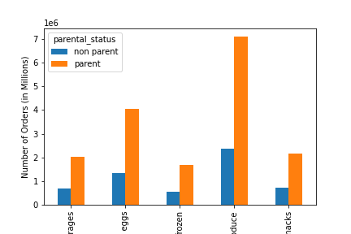
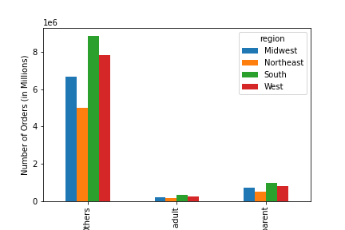
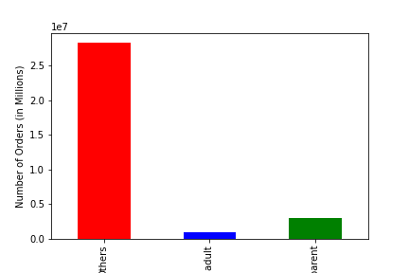
Title page

Visualisations

Task 4.10 Question number 6. Create charts representing the customer profiles.
Customer Profile: Single adults, or have one or more kid. Make less than $400,000 a year. 25 years old or older.
Number of orders (in millions) grouped by customer profile showing different age categories.
Number of orders (in millions) grouped by age group. Color represents
orders during the busiest time of day.
Number of orders (in millions) showing only the customer profile.
Task 4.10 numbers 8 and 9. Create graphs showing relationship between profiles and region and departments.

This pie chart shows how much the customer profile makes up the total sales.

Number of orders (in millions) grouped by customer profile for sales in the top 5 departments.
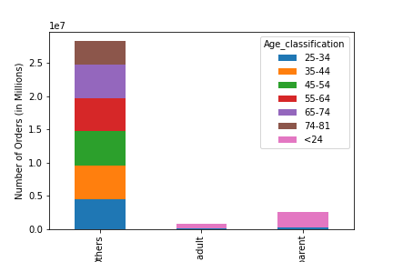
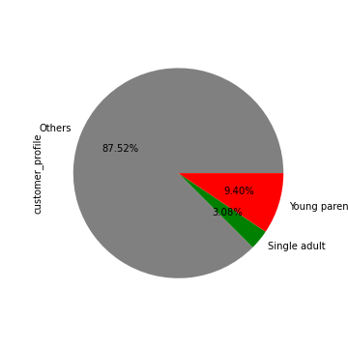

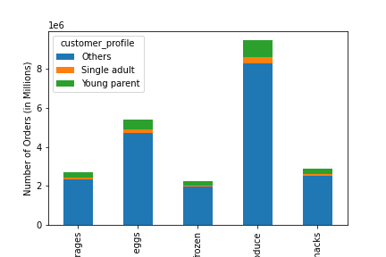

Number of orders (in millions) showing customer profile and spending flag.

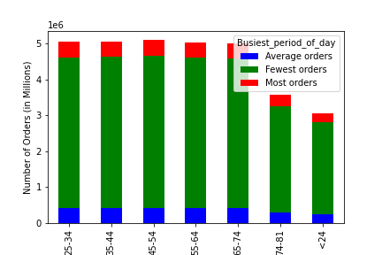
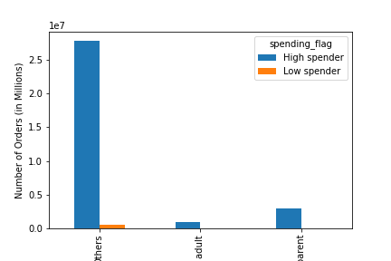
Number of orders (in millions) grouped by customer profile and showing total sales for the different regions.
Number of orders (in millions) grouped by parental status for sales in top 5 departments.

7. Recommendations
 |  | Title page

Recommendations

Key Questions | Answers
● The sales team needs to know what the busiest days of the week and hours of the day are (i.e., the days and times with the most orders) in order to schedule ads at times when there are fewer orders. | Saturday is the busiest day and Wednesday is the least busiest.
● They also want to know whether there are particular times of the day when people spend the most money, as this might inform the type of products they advertise at these times | 12:00 P.M. is the busiest hour of the day.
● Instacart has a lot of products with different price tags. Marketing and sales want to use simpler price range groupings to help direct their efforts. | The max order amount for an onbject is $99. the cheapest object is $1. I would advise trying to get this price down since most customers do not spend $100 on a single item.
● Are there certain types of products that are more popular than others? The marketing and sales teams want to know which departments have the highest frequency of product orders. | The top 5 departments are produce, dairy eggs, snacks, beverages, and frozen. Produce is the top-selling product and it is the most frequently used departmnet for parents.
● The marketing and sales teams are particularly interested in the different types of customers in their system and how their ordering behaviors differ. | A little over %9 of the orders are made up of parents of at least one kid, 25 years or older and making less than $400,000 a year. About %4 is made up of single adults following this same criteria.
● What different classifications does the demographic information suggest? Age? Income? Certain types of goods? Family status? | Parents following the customer profile spend the most in produce. Also, a majority of our customers are located in the South.
● What differences can you find in ordering habits of different customer profiles? Consider the price of orders, the frequency of orders, the products customers are ordering, and anything else you can think of. | We get more orders from parents than non-parents. Parents also spend more on average than non-parents. More parents are loyal customers than non-parents. 35-44 years of age and 65 tp 74 years of age make up the most orders than any other age group.

